energy-cons
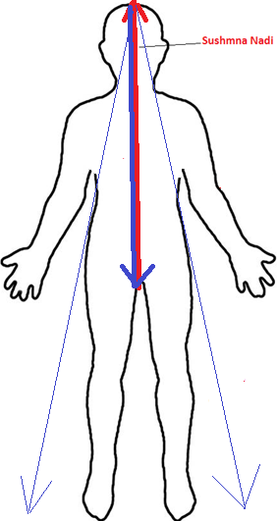
Base of the spine /
Root Center
Top of Head / Sahastrar
Path of
Energy
Direct Path of Consciousness
Indirect Paths of Consciousness

Sheet1
Yog Ramayan

prt 1 - bad


Yoga - Ramayan

A Travel Guide For A Yogi

Part - 1

Parag V. Gandhe

prt 1 - final


Yoga - Ramayan

A Travel Guide For A Yogi

Part - 1

Parag Gandhe

prt 2 - final
Yoga - Ramayan

A Travel Guide For A Yogi

Part - 2

Parag Gandhe

prt 3 - final
Yoga - Ramayan

A Travel Guide For A Yogi

Part - 3

Parag Gandhe

prt2
Yoga - Ramayan

A Travel Guide For A Yogi

Part - 2

Parag Gandhe

prt1 old
Yoga - Ramayan

A Travel Guide For A Yogi

Part - 1

Parag Gandhe

energy
Negative energy transfer OR CURSE
POSItIVE
energy transfer Or boon
High intensity energy transfer

weak faith
Faith
Weak Or Unsure Faith
No Faith
Direct and Continuous Experience
Your Doubts,
Your Questions,
Your Answers,
Your Experiences and
Your Experiments

Faith
Weak Or Unsure Faith
No Faith
Direct And Continuous Experience
Faith
Weak Or Unsure Faith
No Faith
Direct and Continuous Experience
Your Doubts, Questions and
Your Answers
Your Experiments and Your Experiences

Your Questions,
Your Answers,
Your Experiences And Your Experiments

culture
Customs and Traditions

Beliefs

Values

Core Quality

Culture as group of three concentric rotating circles with a center

Upanishad Trangle
Isavasya and Mandukya Upanishad
Next 8 Upanishads
Next 98 Upanishads
Total 108 Upanishads

Thousands of stories and millions of characters of Puran Stories

